Personal data_no contract
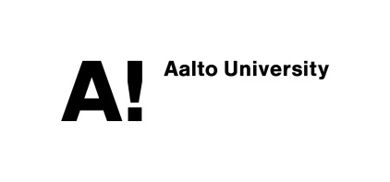
 |  |  |  |  |  |  |  |  |  |  |  |  | PERSONAL DATA FORM FOR VISITORS*

Personal data
Last name |  |  |  | First names |  |  |  |  | Personal ID code / Date of Birth (dd.mm.yyyy)

Prefererd last name |  |  |  |  |  | Preferred name (if not first name)

Passport number (only needed if person does not have official Finnish Personal ID code)

Home address in country of permanent residence

Home address in Finland (for those permanently resident abroad)

Personal E-mail |  |  |  |  |  |  |  |  |  | Mobile phone / Telephone number

 | Female | Mother tongue |  |  |  | Nationality |  |  |  | Multiple nationality
 | Male

Registration of personal data
The personal data I provide will be registered in the HR information system of Aalto University. The data may be transferred to other Aalto University information systems (e.g. relating to user account administration, building access control or for academic visitors, the ACRIS research information system). The contact information I provide may be used by the IT account administrators in order to contact me.

If currently studying at Aalto University please provide your student number for IT authorization purposes:.

Date |  |  |  | Signature

 |  |  |  |  |  |  | Commissioning official, P.O.Box, telephone number
For office use |  |  |  |  |  |  | Tiina Torvinen, P.O.Box 15400, 050 342 3080
Unit |  |  |  |  |  |  |  |  |  | No. of unit and cost pool
SCI/ Department of Computer Science |  |  |  |  |  |  |  |  |  | T313
Notification validity period (max. 3 years)
 |  | 2017-06-01 |  | - | 2017-12-31

Grounds for allowing of the above-mentioned person to access Aalto University
 | Visiting Professor |  |  |  |  | Emeriti-Professor (basic agreement) |  |  |  |  |  | Staff leasing
 | Visiting Researcher |  |  |  |  | Emeriti-Professor (includes annex No. 2) |  |  |  |  |  | Civil (Non-military) service
 | Scholarship |  |  |  |  | Student union |  |  |  |  | x | Other**
 | Scholarship including compensation to host university |  |  |  |  | Recently graduated student
 | Hourly-paid teacher |  |  |  |  | Partner organization
**Specification required under Additional information
Aalto University email address
x | Visitor needs an Aalto University email address
Additional information:
**Finishing PhD/ prof Kaski, K.

By approving this notification the unit confirms that the above-mentioned person is associated with Aalto University through work or studies and he or she may thus be granted access to the Aalto University premises and to separately specified information systems.

Date |  |  | Signature of Head of unit or Dean |  |  |  |  | Printed name
 |  |  |  |  |  |  |  | Rousu, Juho
*Visitor = employee not in a contractual employment relationship with Aalto University

Please submit the signed and filled in form to the Aalto University payroll.

